ItemVariantCleanOutOverview
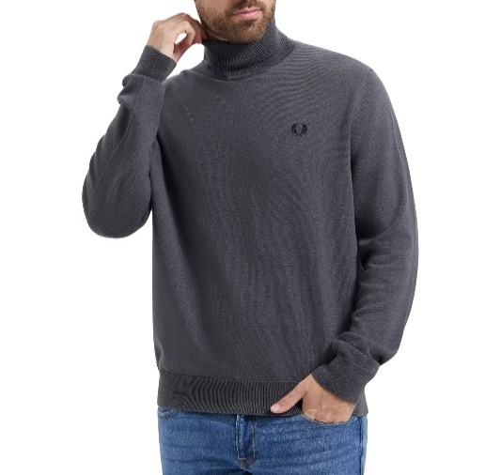
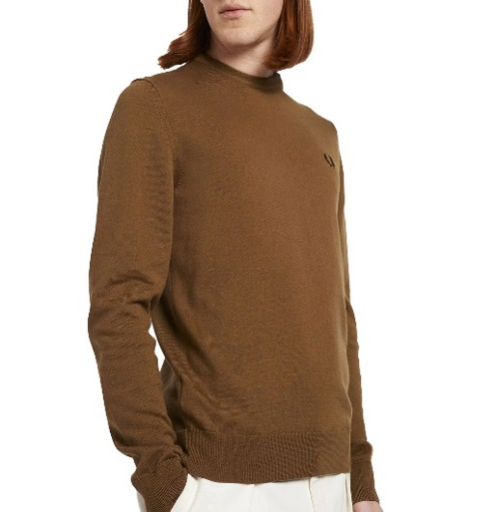
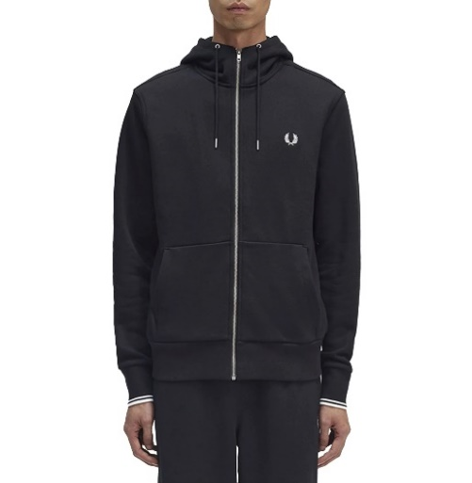
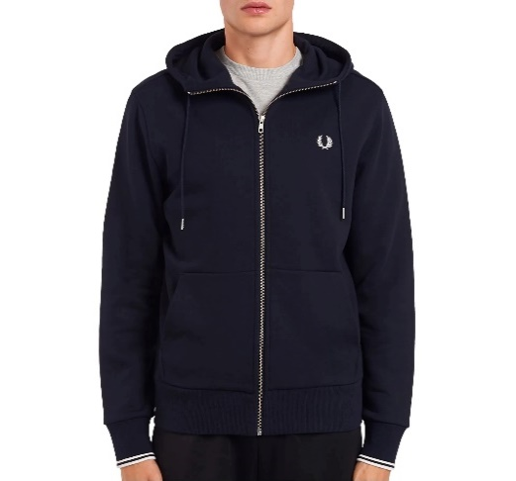
Item Number | Description | Gender | Color | Size Code | Barcode | QTY | Order | RRP | Brand | Sport | Product Type
K9552-Q85 | ROLL NECK JUMPER Heren | male | grey | S | 5034606571225 | 20 |  | € 169.95 | Fred Perry | Lifestyle | Sweaters
K9552-Q85 | ROLL NECK JUMPER Heren | male | grey | XL | 8719742534439 | 10 |  | € 169.95 | Fred Perry | Lifestyle | Sweaters
K9601-P96 | CLASSIC CREW NECK JUMPER | male | brown | M | 5034606474984 | 10 |  | € 169.95 | Fred Perry | Lifestyle | Sweaters
K9601-P96 | CLASSIC CREW NECK JUMPER | male | brown | S | 5034606474977 | 50 |  | € 169.95 | Fred Perry | Lifestyle | Sweaters
J7536-198 | HOODED ZIP THROUGH SWEATSHIRT Heren | male | black | M | 5034605846744 | 10 |  | € 159.95 | Fred Perry | Lifestyle | Sweaters
J7536-198 | HOODED ZIP THROUGH SWEATSHIRT Heren | male | black | S | 5034605846737 | 30 |  | € 159.95 | Fred Perry | Lifestyle | Sweaters
J7536-795 | HOODED ZIP THROUGH SWEATSHIRT Heren | male | navy - white | M | 5034605846942 | 25 |  | € 159.95 | Fred Perry | Lifestyle | Sweaters
J7536-795 | HOODED ZIP THROUGH SWEATSHIRT Heren | male | navy - white | S | 5034605846874 | 30 |  | € 159.95 | Fred Perry | Lifestyle | Sweaters
K9552-102 | ROLL NECK JUMPER Heren | male | black | S | 5034605803235 | 30 |  | € 149.95 | Fred perry | Lifestyle | Sweaters
K9552-102 | ROLL NECK JUMPER Heren | male | black | XL | 5034605803266 | 5 |  | € 149.95 | Fred perry | Lifestyle | Sweaters
M2643-691 | TIPPED HOODED SWEATSHIRT | male | cream | L | 5034606857695 | 40 |  | € 149.95 | Fred Perry | Lifestyle | Sweaters
M2643-691 | TIPPED HOODED SWEATSHIRT | male | cream | M | 5034606857688 | 40 |  | € 149.95 | Fred Perry | Lifestyle | Sweaters
K9552-Q85
K9601-P96
J7536-198
J7536-795
M2643-691 | TIPPED HOODED SWEATSHIRT | male | cream | S | 5034606857671 | 30 |  | € 149.95 | Fred Perry | Lifestyle | Sweaters
M2643-691 | TIPPED HOODED SWEATSHIRT | male | cream | XL | 5034606857701 | 30 |  | € 149.95 | Fred Perry | Lifestyle | Sweaters
M2643-R63 | TIPPED HOODED SWEATSHIRT | male | navy - brown | L | 5034606857473 | 10 |  | € 149.95 | Fred Perry | Lifestyle | Sweaters
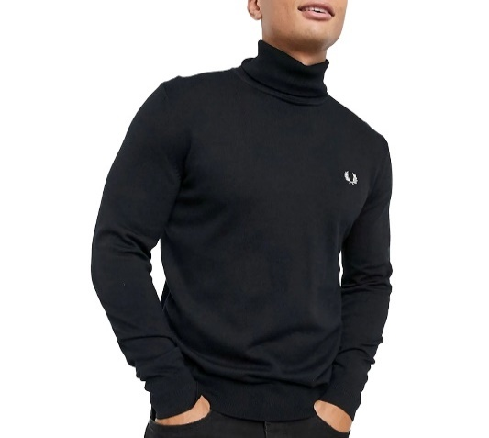
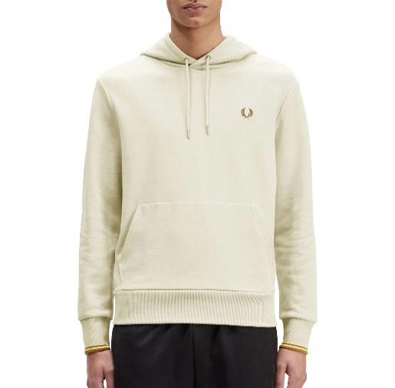
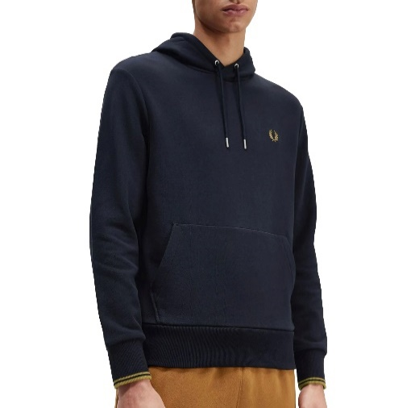
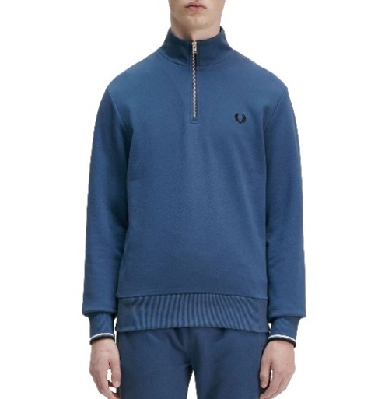
M2643-R63 | TIPPED HOODED SWEATSHIRT | male | navy - brown | M | 5034606857466 | 10 |  | € 149.95 | Fred Perry | Lifestyle | Sweaters
M2643-R63 | TIPPED HOODED SWEATSHIRT | male | navy - brown | S | 5034606857459 | 10 |  | € 149.95 | Fred Perry | Lifestyle | Sweaters
M2643-R63 | TIPPED HOODED SWEATSHIRT | male | navy - brown | XL | 5034606857480 | 10 |  | € 149.95 | Fred Perry | Lifestyle | Sweaters
M3574-F57 | HALF ZIP SWEATSHIRT | male | blue | L | 5034606856940 | 10 |  | € 149.95 | Fred Perry | Lifestyle | Sweaters
M3574-F57 | HALF ZIP SWEATSHIRT | male | blue | M | 5034606856933 | 10 |  | € 149.95 | Fred Perry | Lifestyle | Sweaters
M3574-F57 | HALF ZIP SWEATSHIRT | male | blue | S | 5034606856926 | 5 |  | € 149.95 | Fred Perry | Lifestyle | Sweaters
M3574-F57 | HALF ZIP SWEATSHIRT | male | blue | XL | 5034606856957 | 10 |  | € 149.95 | Fred Perry | Lifestyle | Sweaters
M3574-F57 | HALF ZIP SWEATSHIRT | male | blue | XXL | 5034606856964 | 5 |  | € 149.95 | Fred Perry | Lifestyle | Sweaters
M3574-Q21 | HALF ZIP SWEATSHIRT | male | dark brown | L | 5034606919812 | 40 |  | € 149.95 | Fred Perry | Lifestyle | Sweaters
M3574-Q21 | HALF ZIP SWEATSHIRT | male | dark brown | M | 5034606919805 | 40 |  | € 149.95 | Fred Perry | Lifestyle | Sweaters
M3574-Q21 | HALF ZIP SWEATSHIRT | male | dark brown | S | 5034606919799 | 30 |  | € 149.95 | Fred Perry | Lifestyle | Sweaters
M3574-Q21 | HALF ZIP SWEATSHIRT | male | dark brown | XL | 5034606919829 | 30 |  | € 149.95 | Fred Perry | Lifestyle | Sweaters
K9552-102
M2643-691
M2643-R63
M3574-F57
M3574-Q55 | HALF ZIP SWEATSHIRT | male | dark green | L | 5034606699868 | 5 |  | € 149.95 | Fred Perry | Lifestyle | Sweaters
M3574-Q55 | HALF ZIP SWEATSHIRT | male | dark green | M | 5034606699851 | 5 |  | € 149.95 | Fred Perry | Lifestyle | Sweaters
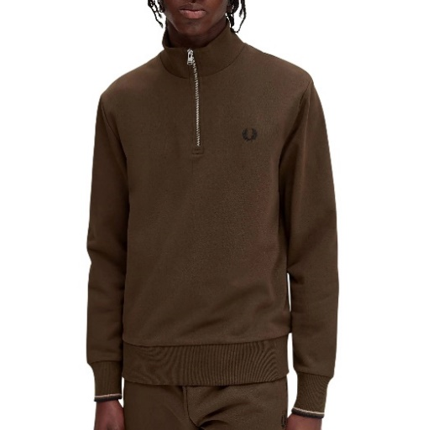
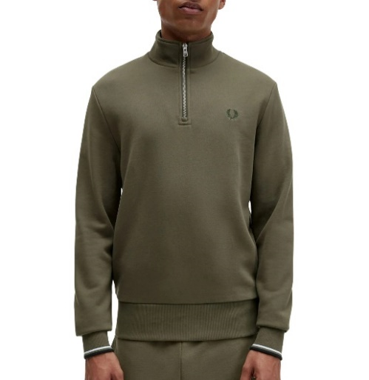
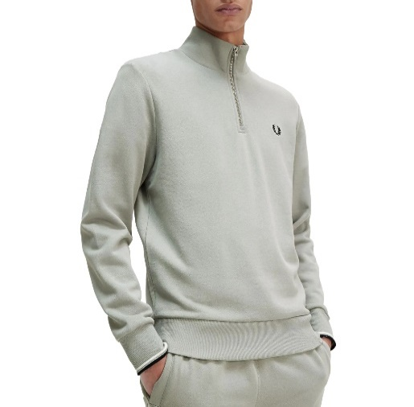
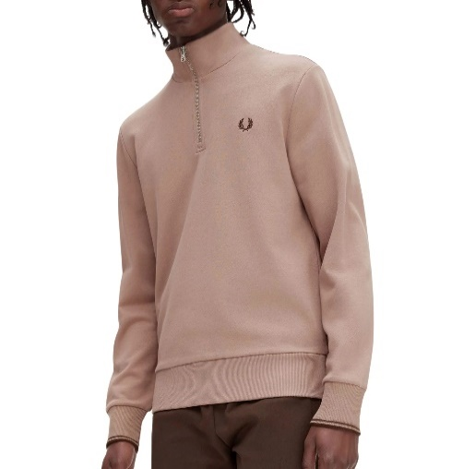
M3574-Q55 | HALF ZIP SWEATSHIRT | male | dark green | S | 5034606699844 | 5 |  | € 149.95 | Fred Perry | Lifestyle | Sweaters
M3574-R28 | HALF ZIP SWEATSHIRT | male | light grey | L | 5034606857015 | 50 |  | € 149.95 | Fred Perry | Lifestyle | Sweaters
M3574-R28 | HALF ZIP SWEATSHIRT | male | light grey | M | 5034606857008 | 50 |  | € 149.95 | Fred Perry | Lifestyle | Sweaters
M3574-R28 | HALF ZIP SWEATSHIRT | male | light grey | S | 5034606856995 | 40 |  | € 149.95 | Fred Perry | Lifestyle | Sweaters
M3574-R28 | HALF ZIP SWEATSHIRT | male | light grey | XL | 5034606857060 | 50 |  | € 149.95 | Fred Perry | Lifestyle | Sweaters
M3574-R28 | HALF ZIP SWEATSHIRT | male | light grey | XXL | 5034606857077 | 5 |  | € 149.95 | Fred Perry | Lifestyle | Sweaters
M3574-S52 | HALF ZIP SWEATSHIRT | male | pink | L | 5034606919669 | 50 |  | € 149.95 | Fred Perry | Lifestyle | Sweaters
M3574-S52 | HALF ZIP SWEATSHIRT | male | pink | M | 5034606919652 | 50 |  | € 149.95 | Fred Perry | Lifestyle | Sweaters
M3574-S52 | HALF ZIP SWEATSHIRT | male | pink | S | 5034606919645 | 40 |  | € 149.95 | Fred Perry | Lifestyle | Sweaters
M3574-S52 | HALF ZIP SWEATSHIRT | male | pink | XL | 5034606919676 | 40 |  | € 149.95 | Fred Perry | Lifestyle | Sweaters
M4727-102 | Embroidered Sweatshirt | male | black | L | 5034606526386 | 10 |  | € 149.95 | Fred Perry | Lifestyle | Sweaters
M4727-102 | Embroidered Sweatshirt | male | black | M | 5034606526379 | 10 |  | € 149.95 | Fred Perry | Lifestyle | Sweaters
M3574-Q21
M3574-Q55
M3574-R28
M3574-S52
M4727-102 | Embroidered Sweatshirt | male | black | S | 5034606526362 | 5 |  | € 149.95 | Fred Perry | Lifestyle | Sweaters
M4727-102 | Embroidered Sweatshirt | male | black | XL | 5034606526393 | 20 |  | € 149.95 | Fred Perry | Lifestyle | Sweaters
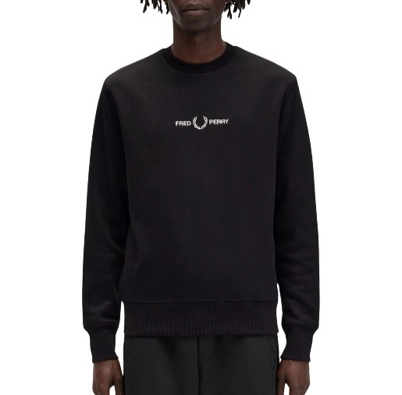
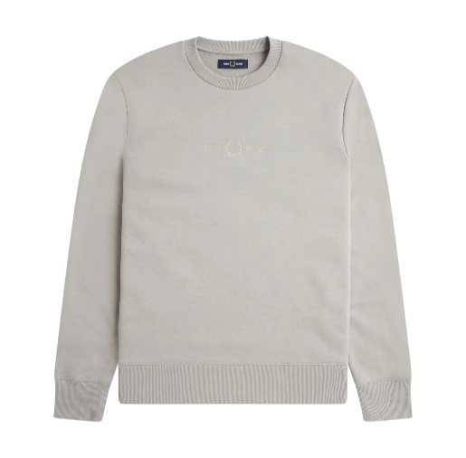
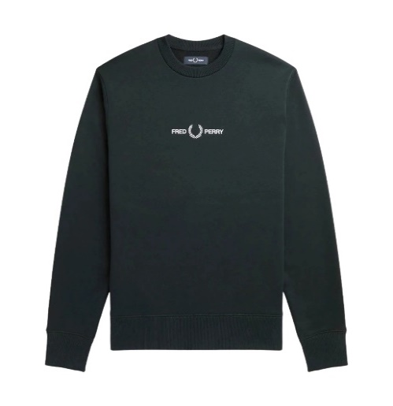
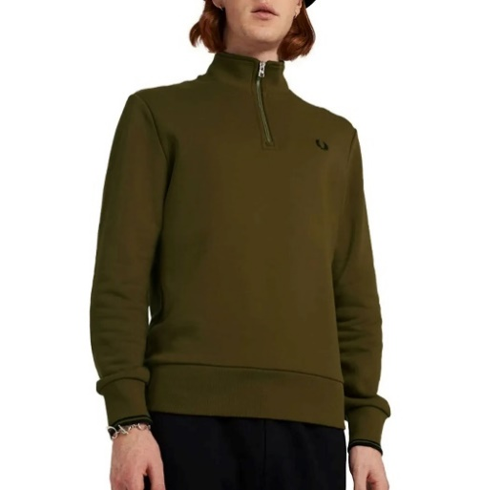
M4727-102 | Embroidered Sweatshirt | male | black | XXL | 5034606526409 | 5 |  | € 149.95 | Fred Perry | Lifestyle | Sweaters
M4727-181 | Embroidered Sweatshirt | male | light grey | L | 5034606870564 | 20 |  | € 149.95 | Fred Perry | Lifestyle | Sweaters
M4727-181 | Embroidered Sweatshirt | male | light grey | M | 5034606870557 | 20 |  | € 149.95 | Fred Perry | Lifestyle | Sweaters
M4727-181 | Embroidered Sweatshirt | male | light grey | S | 5034606870540 | 10 |  | € 149.95 | Fred Perry | Lifestyle | Sweaters
M4727-181 | Embroidered Sweatshirt | male | light grey | XL | 5034606870571 | 20 |  | € 149.95 | Fred Perry | Lifestyle | Sweaters
M4727-181 | Embroidered Sweatshirt | male | light grey | XXL | 5034606870588 | 10 |  | € 149.95 | Fred Perry | Lifestyle | Sweaters
M4727-Q20 | Embroidered Sweatshirt | male | dark green | L | 5034606635040 | 5 |  | € 149.95 | Fred Perry | Lifestyle | Sweaters
M4727-Q20 | Embroidered Sweatshirt | male | dark green | M | 5034606635033 | 5 |  | € 149.95 | Fred Perry | Lifestyle | Sweaters
M4727-Q20 | Embroidered Sweatshirt | male | dark green | S | 5034606635019 | 5 |  | € 149.95 | Fred Perry | Lifestyle | Sweaters
M3574-P96 | HALF ZIP SWEATSHIRT | male | brown | L | 5034606563916 | 5 |  | € 144.95 | Fred Perry | Lifestyle | Sweaters
M3574-P96 | HALF ZIP SWEATSHIRT | male | brown | S | 5034606563848 | 20 |  | € 144.95 | Fred Perry | Lifestyle | Sweaters
M3574-P96 | HALF ZIP SWEATSHIRT | male | brown | XL | 5034606563923 | 10 |  | € 144.95 | Fred Perry | Lifestyle | Sweaters
M4727-102
M4727-181
M4727-Q20
M3574-P96
M2643-102 | TIPPED HOODED SWEATSHIRT | male | black | M | 5034606154534 | 5 |  | € 139.95 | Fred Perry | Lifestyle | Sweaters
M2643-102 | TIPPED HOODED SWEATSHIRT | male | black | S | 5034606154527 | 10 |  | € 139.95 | Fred Perry | Lifestyle | Sweaters
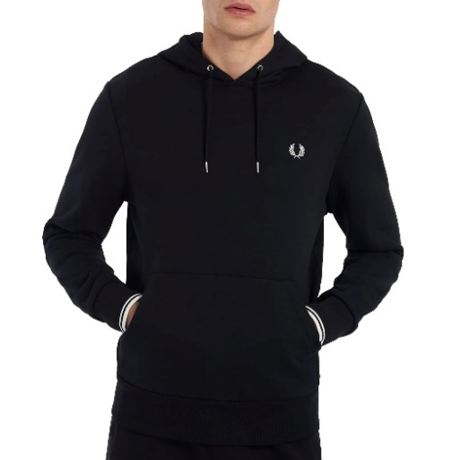
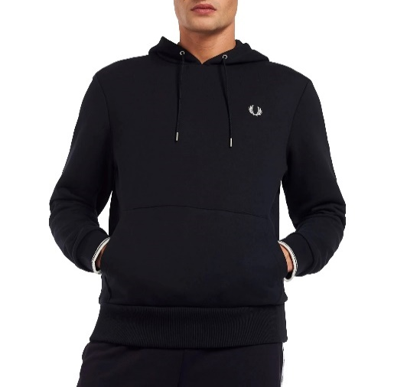
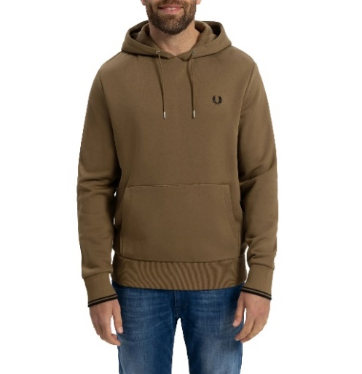
M2643-102 | TIPPED HOODED SWEATSHIRT | male | black | XL | 5034606154558 | 5 |  | € 139.95 | Fred Perry | Lifestyle | Sweaters
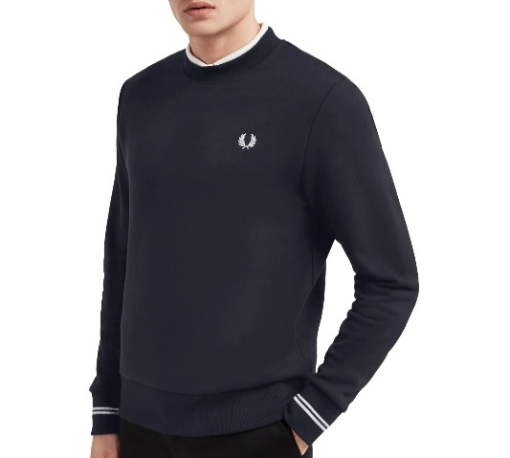
M2643-248 | TIPPED HOODED SWEATSHIRT | male | black | L | 5034606289311 | 2 |  | € 139.95 | Fred Perry | Lifestyle | Sweaters
M2643-248 | TIPPED HOODED SWEATSHIRT | male | black | M | 5034606289304 | 7 |  | € 139.95 | Fred Perry | Lifestyle | Sweaters
M2643-248 | TIPPED HOODED SWEATSHIRT | male | black | S | 5034606289281 | 10 |  | € 139.95 | Fred Perry | Lifestyle | Sweaters
M2643-P96 | TIPPED HOODED SWEATSHIRT | male | brown - black | L | 5034606525365 | 10 |  | € 139.95 | Fred Perry | Lifestyle | Sweaters
M2643-P96 | TIPPED HOODED SWEATSHIRT | male | brown - black | M | 5034606525358 | 10 |  | € 139.95 | Fred Perry | Lifestyle | Sweaters
M2643-P96 | TIPPED HOODED SWEATSHIRT | male | brown - black | S | 5034606525341 | 10 |  | € 139.95 | Fred Perry | Lifestyle | Sweaters
M7535-248 | CREW NECK SWEATSHIRT | male | dark blue - white | L | 5034605846140 | 10 |  | € 139.95 | Fred Perry | Lifestyle | Sweaters
M7535-248 | CREW NECK SWEATSHIRT | male | dark blue - white | M | 5034605846133 | 40 |  | € 139.95 | Fred Perry | Lifestyle | Sweaters
M7535-248 | CREW NECK SWEATSHIRT | male | dark blue - white | S | 5034605846126 | 40 |  | € 139.95 | Fred Perry | Lifestyle | Sweaters
M7535-248 | CREW NECK SWEATSHIRT | male | dark blue - white | XL | 5034605846157 | 40 |  | € 139.95 | Fred Perry | Lifestyle | Sweaters
M7535-248 | CREW NECK SWEATSHIRT | male | dark blue - white | XXL | 5034605846164 | 20 |  | € 139.95 | Fred Perry | Lifestyle | Sweaters
M2643-102
M2643-248
M2643-P96
M7535-248
M7535-248 | CREW NECK SWEATSHIRT | male | dark blue - white | XXXL | 5034606200804 | 5 |  | € 139.95 | Fred Perry | Lifestyle | Sweaters
M7535-257 | CREW NECK SWEATSHIRT | male | petrol blue | L | 5034606856582 | 40 |  | € 139.95 | Fred Perry | Lifestyle | Sweaters
M7535-257 | CREW NECK SWEATSHIRT | male | petrol blue | M | 5034606856568 | 40 |  | € 139.95 | Fred Perry | Lifestyle | Sweaters
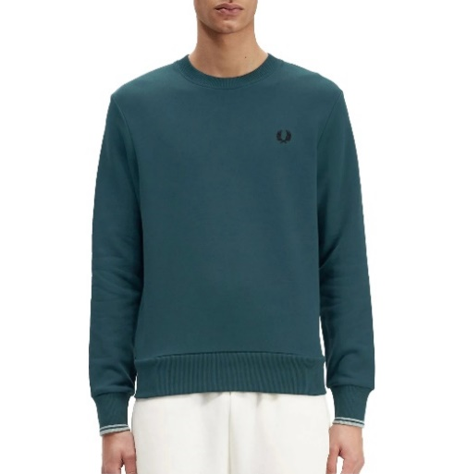
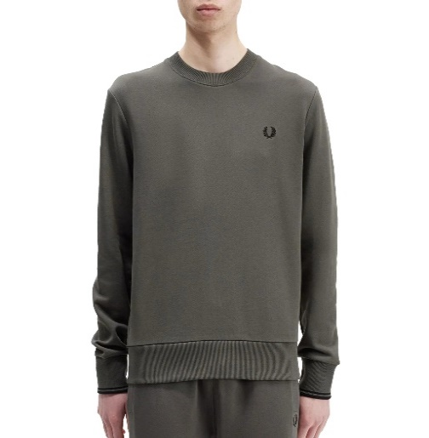
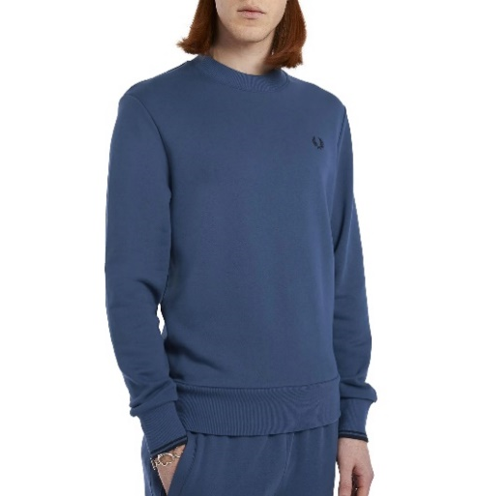
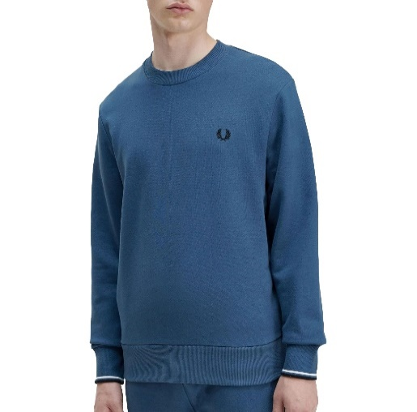
M7535-257 | CREW NECK SWEATSHIRT | male | petrol blue | S | 5034606856551 | 30 |  | € 139.95 | Fred Perry | Lifestyle | Sweaters
M7535-257 | CREW NECK SWEATSHIRT | male | petrol blue | XL | 5034606856599 | 20 |  | € 139.95 | Fred Perry | Lifestyle | Sweaters
M7535-638 | CREW NECK SWEATSHIRT | male | dark green | L | 5034606856667 | 70 |  | € 139.95 | Fred Perry | Lifestyle | Sweaters
M7535-638 | CREW NECK SWEATSHIRT | male | dark green | M | 5034606856650 | 70 |  | € 139.95 | Fred Perry | Lifestyle | Sweaters
M7535-638 | CREW NECK SWEATSHIRT | male | dark green | S | 5034606856643 | 40 |  | € 139.95 | Fred Perry | Lifestyle | Sweaters
M7535-638 | CREW NECK SWEATSHIRT | male | dark green | XL | 5034606856674 | 60 |  | € 139.95 | Fred Perry | Lifestyle | Sweaters
M7535-638 | CREW NECK SWEATSHIRT | male | dark green | XXL | 5034606856698 | 10 |  | € 139.95 | Fred Perry | Lifestyle | Sweaters
M7535-963 | CREW NECK SWEATSHIRT | male | blue | M | 5034606610504 | 5 |  | € 139.95 | Fred Perry | Lifestyle | Sweaters
M7535-963 | CREW NECK SWEATSHIRT | male | blue | S | 5034606610498 | 20 |  | € 139.95 | Fred Perry | Lifestyle | Sweaters
M7535-963 | CREW NECK SWEATSHIRT | male | blue | XL | 5034606610528 | 5 |  | € 139.95 | Fred Perry | Lifestyle | Sweaters
M7535-F57 | CREW NECK SWEATSHIRT | male | blue | L | 5034606856018 | 10 |  | € 139.95 | Fred Perry | Lifestyle | Sweaters
M7535-F57 | CREW NECK SWEATSHIRT | male | blue | M | 5034606856001 | 10 |  | € 139.95 | Fred Perry | Lifestyle | Sweaters
M7535-257
M7535-638
M7535-963
M7535-F57
M7535-F57 | CREW NECK SWEATSHIRT | male | blue | S | 5034606855998 | 5 |  | € 139.95 | Fred Perry | Lifestyle | Sweaters
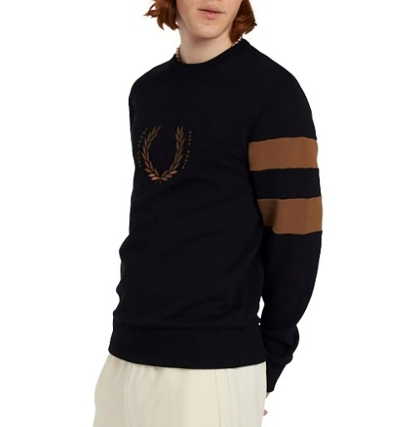
M7535-F57 | CREW NECK SWEATSHIRT | male | blue | XL | 5034606856049 | 5 |  | € 139.95 | Fred Perry | Lifestyle | Sweaters
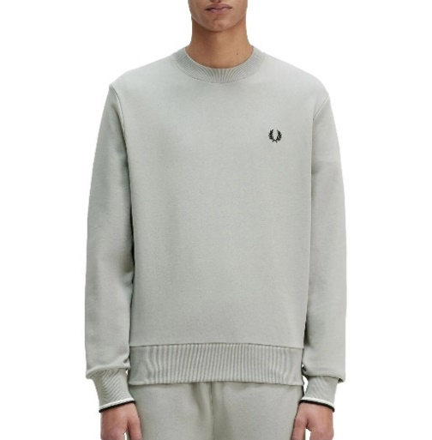
M7535-F57 | CREW NECK SWEATSHIRT | male | blue | XXL | 5034606856056 | 5 |  | € 139.95 | Fred Perry | Lifestyle | Sweaters
M7535-R28 | CREW NECK SWEATSHIRT | male | light grey | L | 5034606856100 | 70 |  | € 139.95 | Fred Perry | Lifestyle | Sweaters
M7535-R28 | CREW NECK SWEATSHIRT | male | light grey | M | 5034606856094 | 70 |  | € 139.95 | Fred Perry | Lifestyle | Sweaters
M7535-R28 | CREW NECK SWEATSHIRT | male | light grey | S | 5034606856087 | 30 |  | € 139.95 | Fred Perry | Lifestyle | Sweaters
M7535-R28 | CREW NECK SWEATSHIRT | male | light grey | XL | 5034606856117 | 40 |  | € 139.95 | Fred Perry | Lifestyle | Sweaters
M7535-R28 | CREW NECK SWEATSHIRT | male | light grey | XXL | 5034606856124 | 5 |  | € 139.95 | Fred Perry | Lifestyle | Sweaters
M4718-102 | BOLD TIPPED SWEATSHIRT | male | black - brown | L | 5034606527062 | 5 |  | € 129.95 | Fred Perry | Lifestyle | Sweaters
M4718-102 | BOLD TIPPED SWEATSHIRT | male | black - brown | M | 5034606527055 | 10 |  | € 129.95 | Fred Perry | Lifestyle | Sweaters
M4718-102 | BOLD TIPPED SWEATSHIRT | male | black - brown | S | 5034606527048 | 10 |  | € 129.95 | Fred Perry | Lifestyle | Sweaters
 |  |  |  |  |  | 2059

M7535-R28
M4718-102

